Hiearchy View
CLASS: VIDEO MANAGEMENT SYSTEM
software used to manage cameras and other sources. Records sensor inputs and manages the storage and access to such. |  | 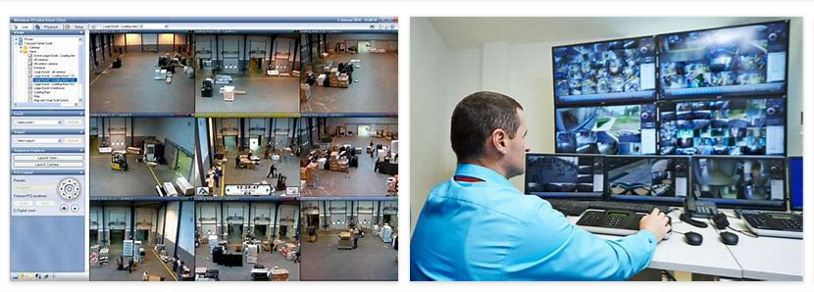
REMOVE | N

PROBLEM_DESC | CAUSE_DESC | REMEDY_DESC
ALARM/SENSOR
BROKEN/DAMAGED
OTHER PROBLEM
OVERHEATING
POWER-ELEC
STOPPED/SLOWED/POOR OPS
TEMP-CTRL
VIBRATION
Grand Total

